Request entry - lab no
Request Entry screen – required for entry of every sample onto LIS.
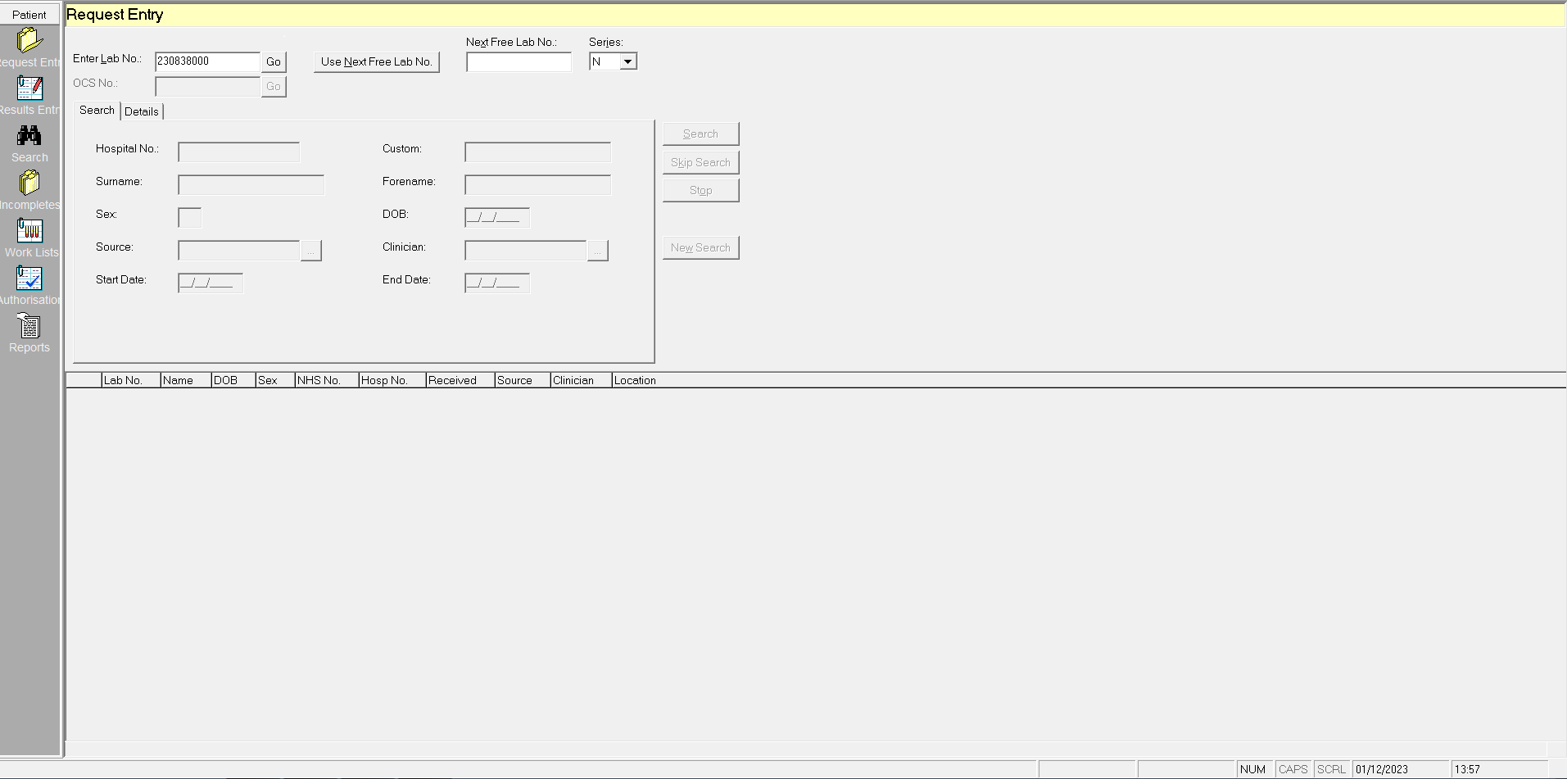

Start with scanning lab number, unique to every sample

If sample request has been ordered on ICE (test ordering system), there will be a unique OCS number which contains all relevant information regarding patient and tests requested (go to worksheet 'Request Entry - full demographics')

If booking in a form, Hospital number is entered if known, if not, surname entered, to search for patient demographics.
Then move to worksheet 'Request Entry - full demographics'

Request Entry-full demographics
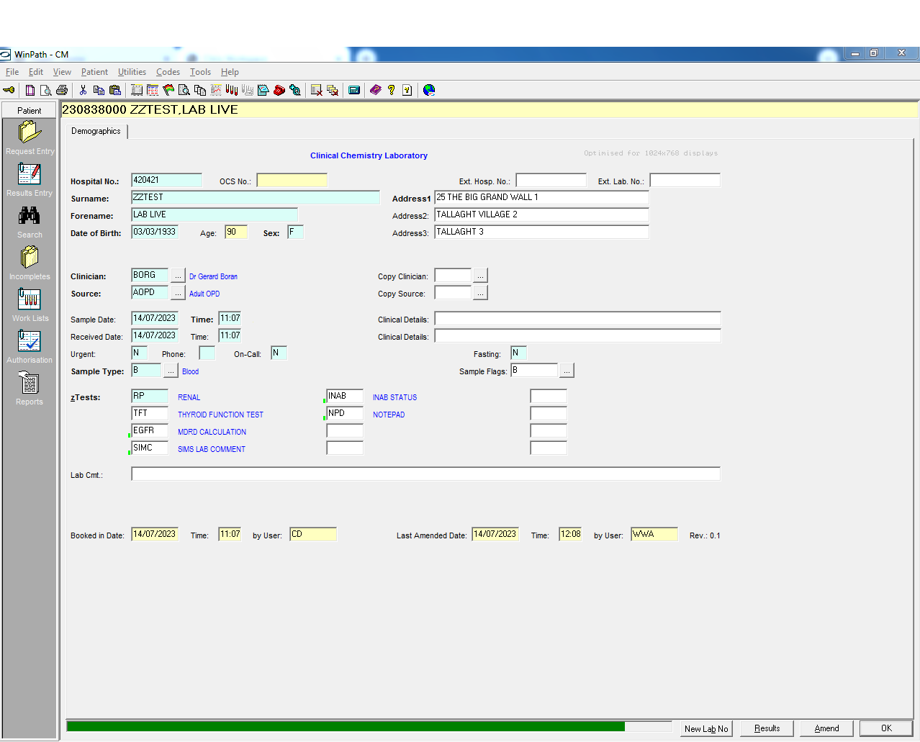
 | Request Entry screen – required for entry of every sample onto LIS.

1
7
8
9
2
3
7
10
11
4
5
6
12

13
15
16
14
18
17
19
20
21
22
23
24
25
26
27
28
29

30

31
32
33
34
35
36

Number | Field description | Details | Required | Data available in .csv | Data will be provided | Additional Information required | Comment
1 | Hospital Number/MRN (Medical Record Number) | Unique to each patient – for use in Tallaght Hospital only | Y | Y | N |  | Data will be anoymised
2 | Surname |  | Y | Y | N |  | Not Provided
3 | Forename |  | Y | Y | N |  | Not provided
4 | Date of Birth |  | Y | Y | N |  | Data will be anoymised
5 | Age |  | Y | N | N |  | Can be calculated
6 | Gender/Sex |  | Y | Y | Y
7 | OCS No | Place for electronic ICE number for electronic requests | Y | N | N |  | Need a holder for this for future proofing
8 | Ext Hosp No | Place for MRN for external hospital requests - Not used at TUH | N | N | N
9 | Ext Lab No | Place for Lab for external hospital requests- Not used in TUH | N | N | N
10 | Address 1 | 1st line of patients address | Y | Y | N |  | Need a holder for this for future proofing
11 | Address 2 | 2nd line of patients address | Y | Y | N |  | Need a holder for this for future proofing
12 | Address 3 | 3rd Line of patients address | Y | Y | N |  | Need a holder for this for future proofing
13 | Clinician | Requesting Clinician 4 letter code | Y | Y | Y | need the clinician code table In addition the Clinical class e.g. GP, Cons and speciality will be provided in csv not seen in request entry screen
14 | Source | Source location 4 letter code of request origin | Y | Y | Y | need the source code table In addition the sourceclass e.g. GP, ward, aopd will be provided in csv not seen in request entry screen
15 | Copy Clinician | Used when copy of report needs to be sent to another clinician | N | N | N
16 | Copy Source | Copy source location of clinician above | N | N | N
17 | Sample Date | Date sample taken | Y | Y | Y |  | If this is not provided will default to received date
18 | Time | Time sample taken | Y | Y | Y |  | If this is not provided will default to received date
19 | Received date | Date sample Booked in | Y | Y | Y
20 | Time | Time sample booked in | Y | Y | Y
21 | Clinical Details | Provided by clinician - on ICE | N | N | N
22 | Clinical details | Provided by clinician - on ICE | N | N | N
23 | Urgent | Flag Y/N if sample is urgent - not used | N | N | N
24 | Phone | Flag to add sample to phone queue for phoning Y/N | N | N | N |  | Not used at request entry decision is usually made at authorisation
25 | Oncall | Flag to indicate sample is requested during oncall period Y/N- Not used | N | N | N
26 | Fasting | Flag to indicate if patient is fasting - Y/N | N | N | N
27 | Sample Type | If sample is blood, Urine etc.. | N | N | N |  | Can tell this information by the test request
28 | Sample Flags | Specific information held in flag database- Not used | N | N | N
29 | zTests | Tests requests- these are test Library Codes (TLC). TLC may include more than one tests called Test Format Codes (TFC) | Y | Y | Y
30 | Lab Cmt | Field for laboratory comments- not used | N | N | N
31 | Booked in date | Same as field 19 | N | N | N
32 | time | Same as Field 20 | N | N | N
33 | By | Holds the information for code of user who booked in patient details | N | N | N |  | Each user is identified by three letter code. Details of user held in separate security table
34 | Last Amended | Date the record was last amended | N | N | N
35 | Time | Time the record was last amended | N | N | N
36 | ByUser | Code of the user who last amended the record | N | N | N

Result Entry 1
Result Entry screen – where and how the results are displayed on LIS

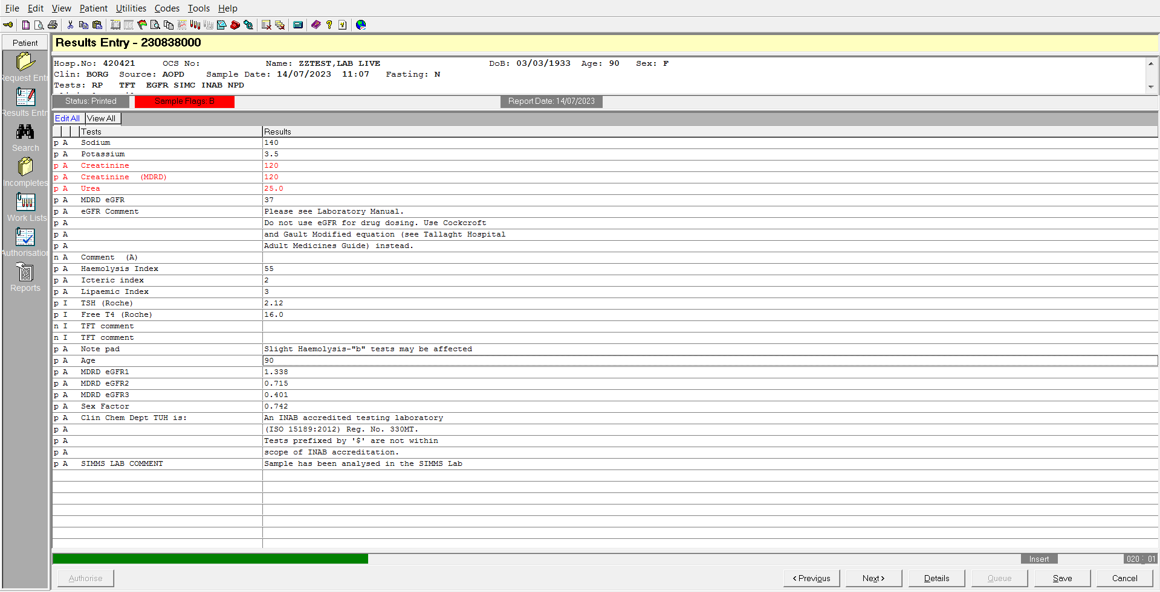

1
2
7
3
13
14
17
18
4
26
5
6
29
21 (HIDDEN in screenshot)
28

Result Entry 2
Result Entry screen – Ctrl W showing date, time, entry method of results

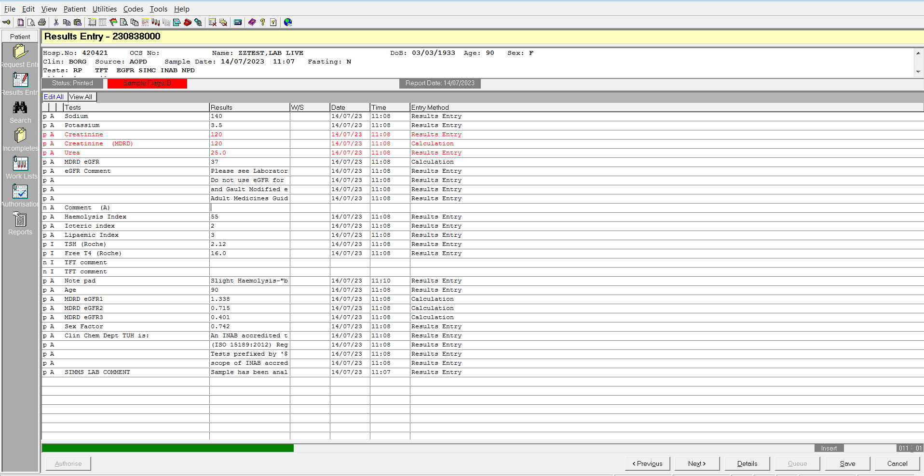
6

Entry Method is the method of how the results get to Winpath
1. Results Entry = manual entry
2. From a particular analyser, each analyser is identifiable

Results are divided into Sections for handling, authorising etc
eg Section A = Routine
Section I = Immunoassay

This identifies whether a test field is
* e = empty,
* a = waiting for authorisation,
* r = reported,
* p = printed
* n = non-essential test field - does not need a result to be authorised

Result Entry 3
Result Entry screen – Ctrl W showing user, time and date of authorisation and who authorised by

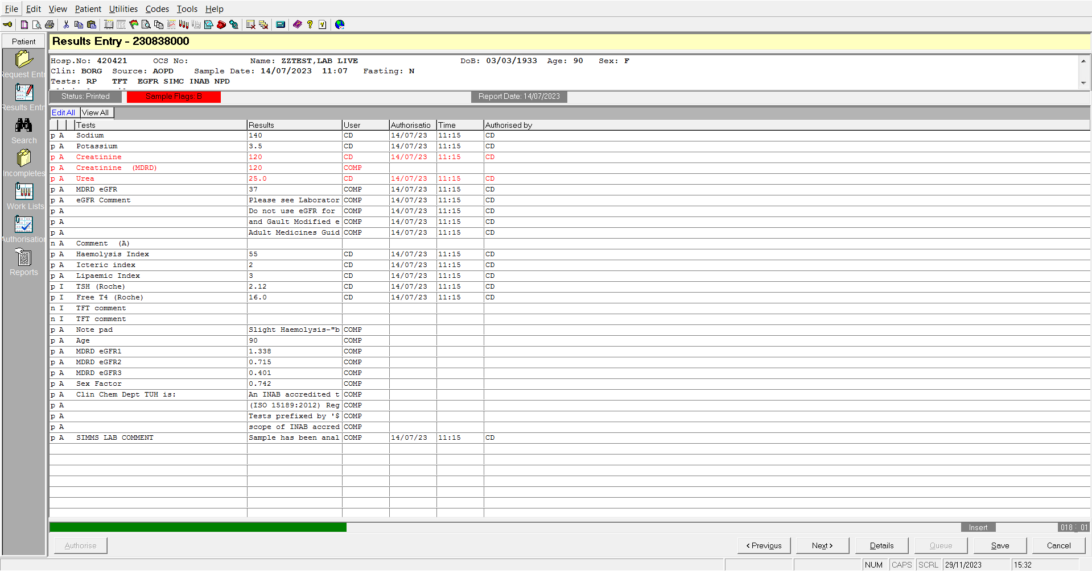
6

Can identify who has authorised results - each staff member has a login based on their initials

Result Entry 4
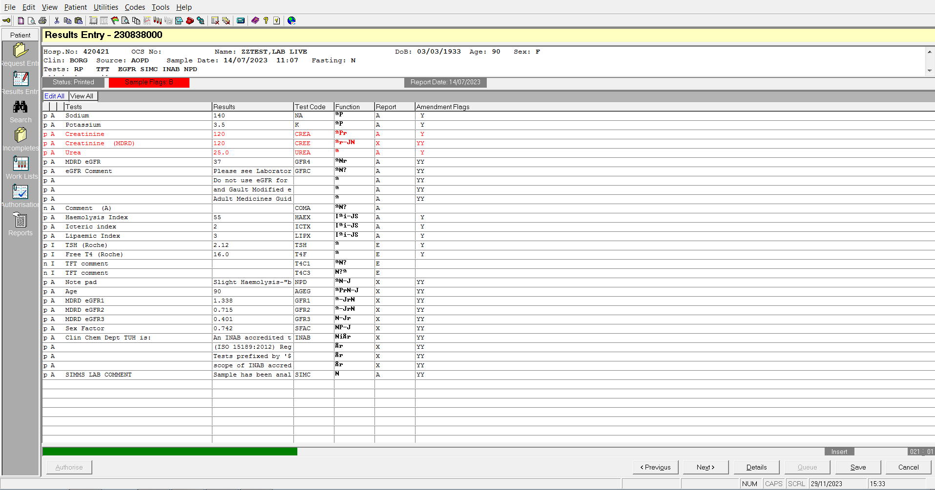
Result Entry screen – Ctrl W showing test codes, function, what section results are reported to and Amendment flags

6

Result Entry 5
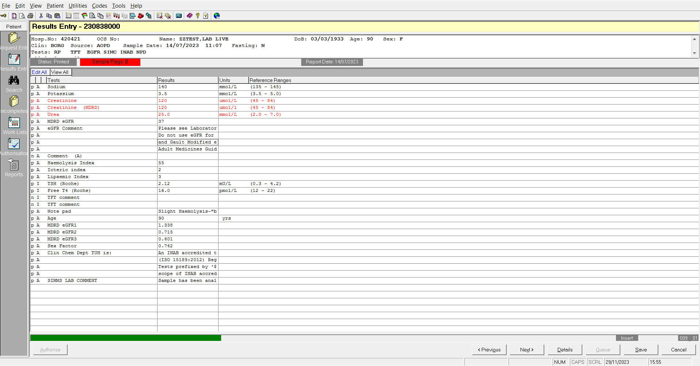
Result Entry screen – Ctrl W showing Units and Reference ranges

Audit trail
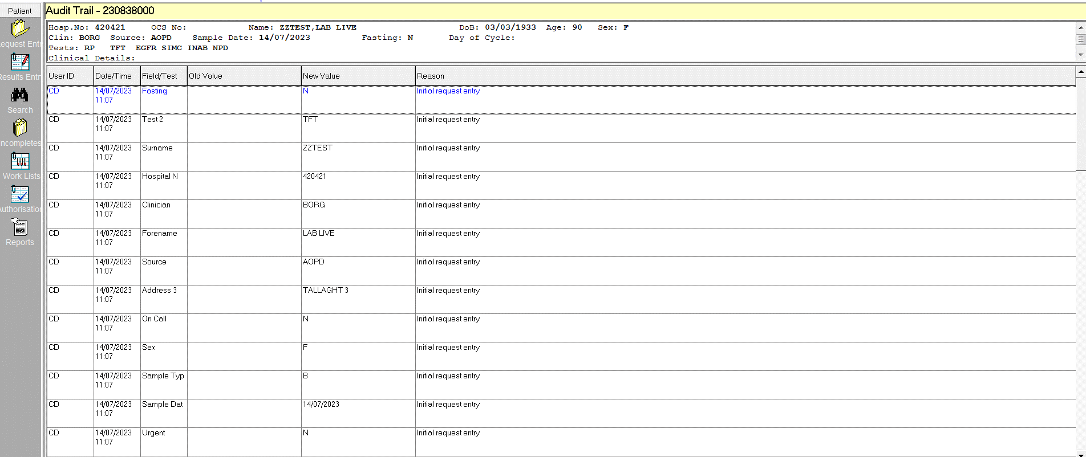

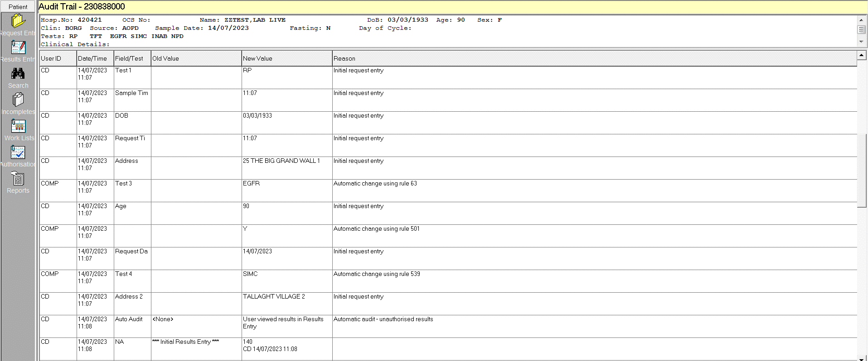

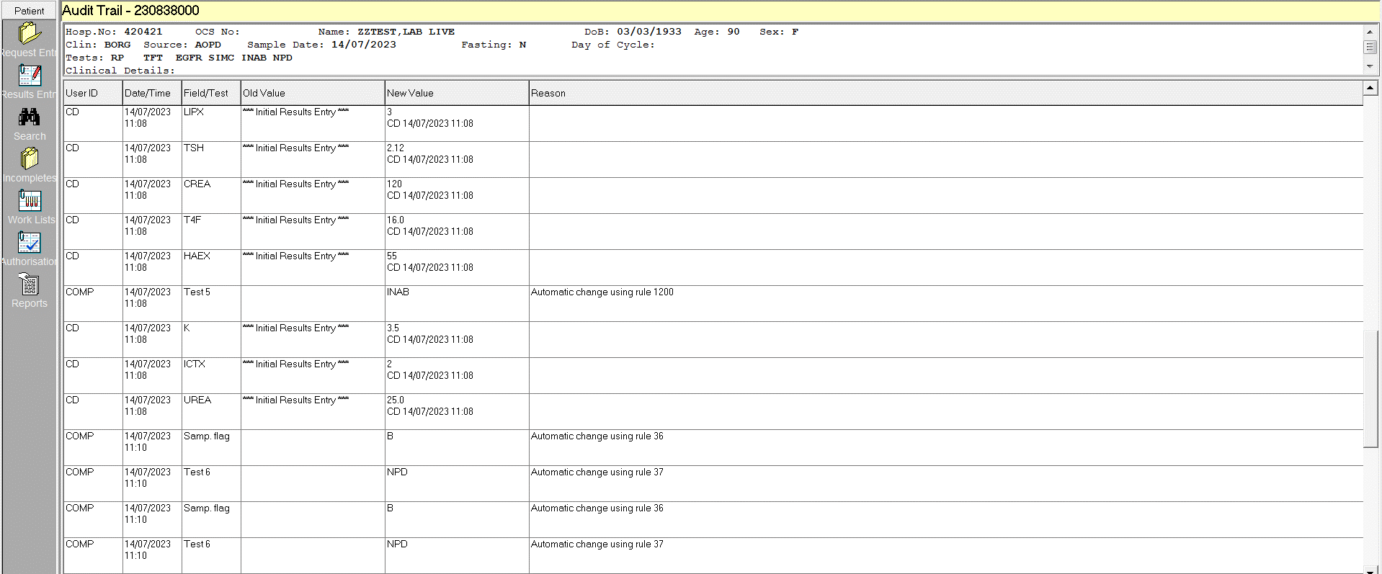

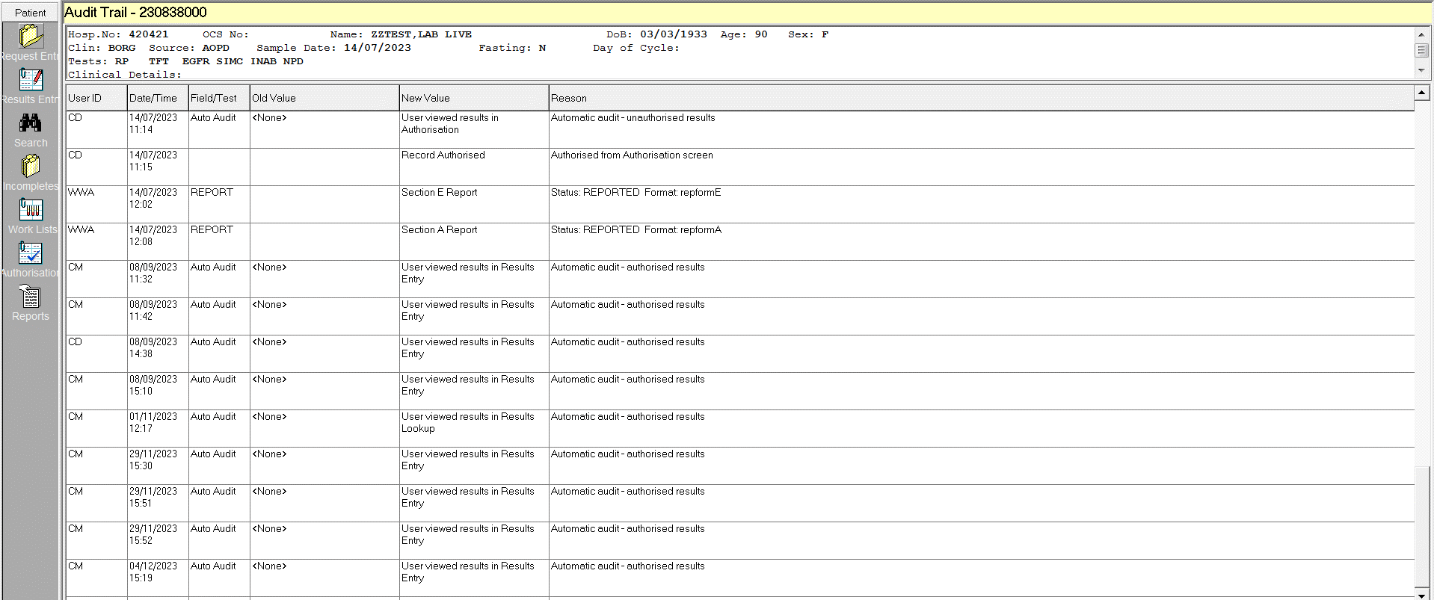

Result Entry with ranges
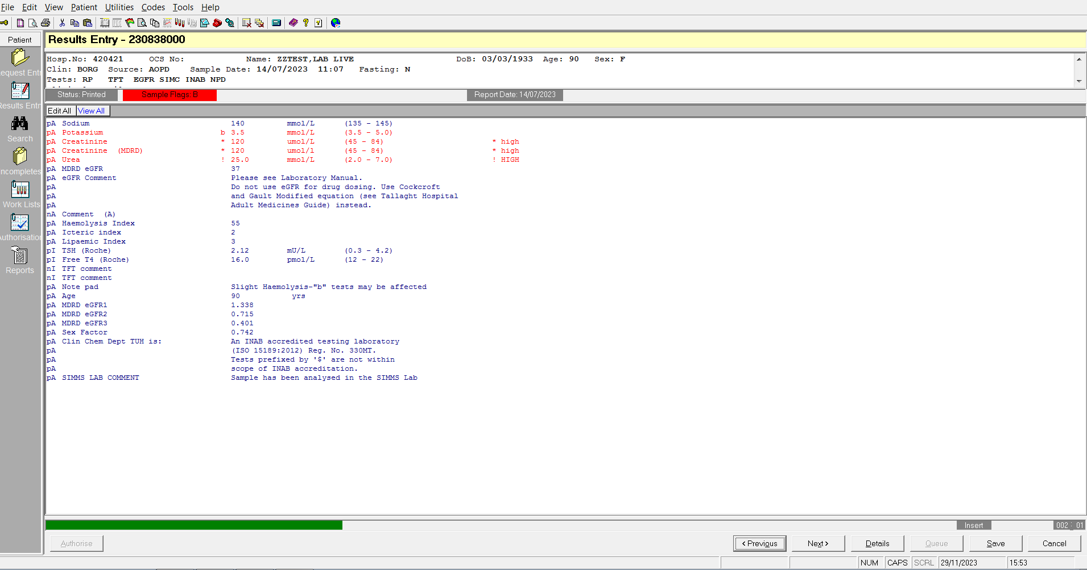
Result Entry screen – "View All" tab -view as per report

